Balance Sheet
Balance Sheet(s)
Please provide screenshots below of the balance sheet(s) that you used for your analysis. Use tickmarks to demonstrate which amounts are used on the following tabs.
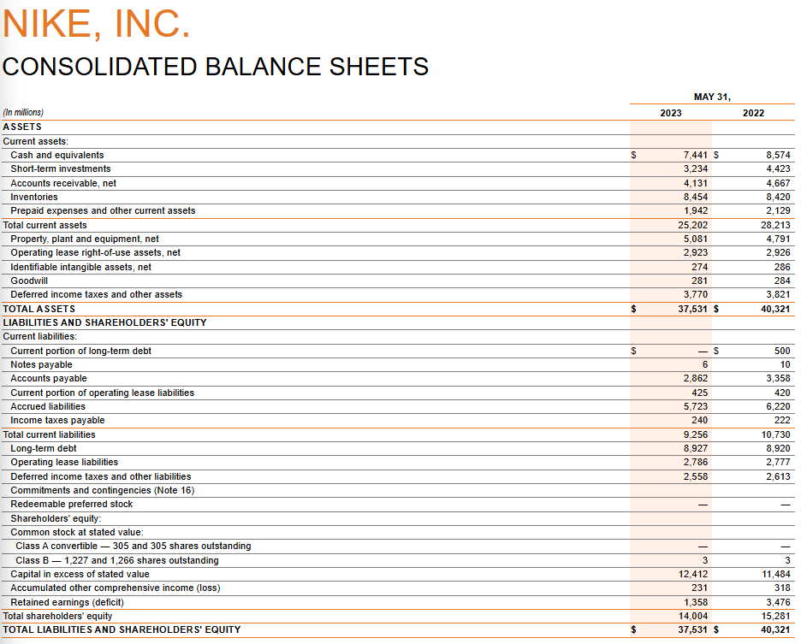

 | [d]

 | [b]

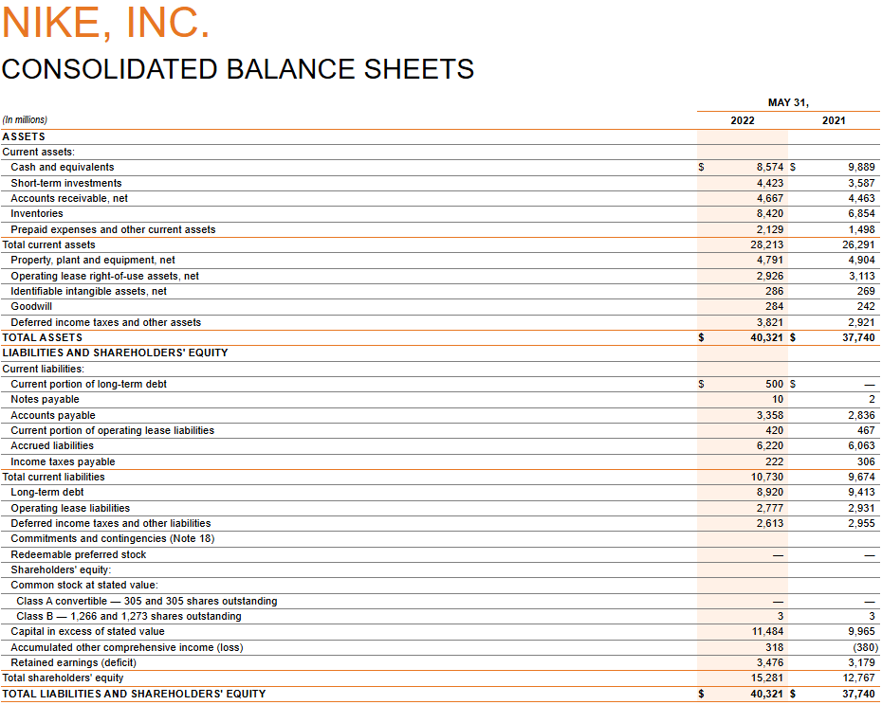

 | [e]

 | [c]

Income Statement
Income Statement(s)
Please provide screenshots below of the income statement(s) that you used for your analysis. Use tickmarks to demonstrate which amounts are used on the following tabs.

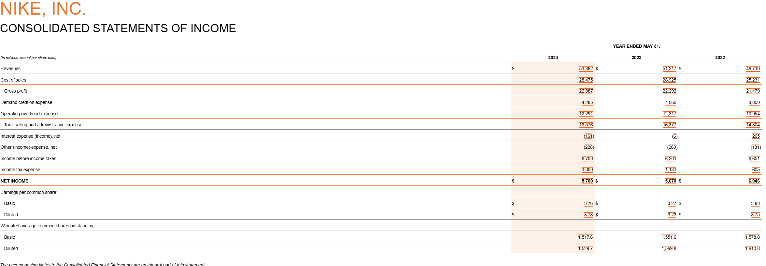

 | [f]

 | [a]

